Wishlist
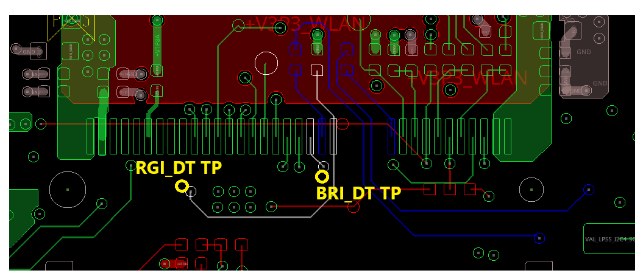
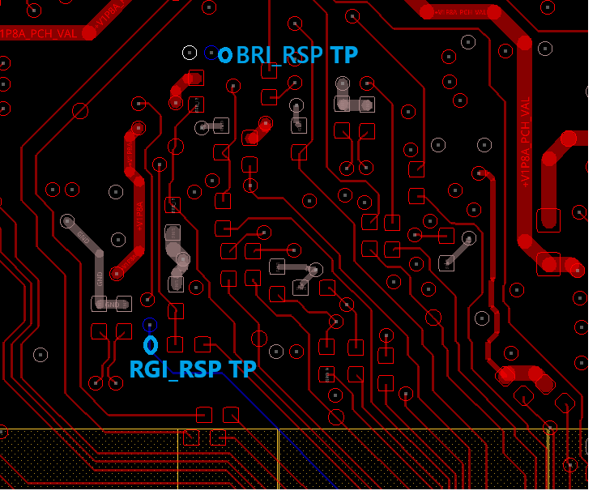
SN | Summary | Detailed Description | Page | Owner | No Layout Change | Reason of not in ERB | S-011 | S-021 CRB | S-031 | S-041 | S-051 | S-061 | S-01 Implemetation Rate | S-03 Implemetation Rate | S-04 Implemetation Rate | S-05 Implemetation Rate | S-09 Implemetation Rate
1 | CPU Ballmap v1p2 update (please check p.20 and p.24 especially) | CPU Ballmap 1p2 was updated to modify some RSV pins to GCD View pins that will impact the fanout routing | 20/235 | Kenneth |  | BMP 1p2 was released in TO Week | Closed | Closed | Closed | Closed | Closed | Closed | 91.95% | 94.83% | 95.98% | 90.80% | 91.95%
2 | INTEC signal Sch/layout change for 4 wire routing around DIP SW area |  | 237/238 | YE |  |  | Closed | Closed | Closed | Closed | Closed | Closed
3 | FET placement to reduce the SPI trace stub issue, EC FETs at the top layer and PCH FETs at the bottom layer |  |  | Nate |  |  | Closed | Closed | Closed | Closed | Closed | Closed
4 | MECC 1.8V/3.3V voltage mismatched issue |  | 226, 227 | Nick |  |  | Closed | Closed |  | Closed
5 | RTC coinless ( or implement on S-04 only ?) -a : PWR circuit (Done) -b : GPIO to indicate BIOS coinless (Not assigned yet) |  |  | Ellen/Ivan/Nick |  |  | N/A | N/A | N/A | Closed | N/A | N/A
6 | THC netname after tripad to remove "1". | Change THC1_1P8_SPI2_RST_N_CON, THC1_1P8_SPI2_CS_N_CON, THC1_1P8_SPI2_INT_N_CON to THC_1P8_SPI2_RST_N_CON, THC_1P8_SPI2_CS_N_CON, THC_1P8_SPI2_INT_N_CON | 215 | Nate | V |  | Closed | Closed |  | Closed
7 | DDR5 VDD2 Voltage override for memory OC |  | 270 | Ivan | V |  | Closed | Closed | Closed | N/A | Closed | N/A
8 | PCIE | <YE> WW11.2 , this item is NOT applied as MTEG clarified the no interference with PPV socket. KOZ needs to be updated |  | All |  |  | N/A | N/A | N/A | N/A | N/A | N/A
9 | DMI Gen4 footprint | Needing to apply the schematic symbol with KOZ S041 to implement max length of 155mm and change DMI connections (pinout assignments different from other SKU) | 35 | All |  |  | Closed | N/A | Closed | Closed | Closed | N/A
10 | DMI Gen5 footprint | Needing to apply the schematic symbol with KOZ | 35 | All |  |  | N/A | Closed | N/A | N/A | N/A | Closed
11 | Min USB3 P9 length <70min |  |  |  |  |  | N/A | N/A | N/A | N/A | N/A | N/A
12 | Max USB2 P10 length ~302~306 |  |  |  |  |  | N/A | N/A | N/A | Closed | N/A | N/A
13 | CNVi Max. | Vertical M.2 slot 8.5" (215mm) |  | Nate | V |  |  |  |  | Closed | Closed
14 | CNVi Min. | 6" |  | Nate/Nick |  |  |  |  | Closed | N/A | N/A | N/A
15 | iTBT routing length < PDG max / MS | S011/S021, TCP1 M.2 ~ 110mm; S041 TCP1 M.2 (support DP2.1) 155mm ; |  | All |  |  | Closed | Closed | Closed | Closed | N/A | N/A
16 | iTBT short routing length ~85mm / MS | S011/S021, TCP0 M.2 ~85mm; S031/S041 TCP0 M.2 ~ 85mm; |  | All |  |  | Closed | Closed | N/A | Closed | N/A | N/A
17 | iTBT routing length @ PDG max / SL | S051 TCP0 80G retimer solder down with SL routing, PDG 200mm S061 TCP0 40G retimer solder down with SL routing, PDG 210mm |  | All |  |  | N/A | N/A | N/A | N/A | Closed | Closed
18 | iTBT routing length @ max loss / SL | S031, TCP1 M.2 Max Length Front Panel is 223mm S051, TCP1 80G retimer solder down with SL routing, Max Loss 236mm S061, TCP1 40G retimer solder down with SL routing, Max Loss 265mm |  | All |  |  | N/A | N/A | Closed | N/A | Closed | Closed
19 | CCE feedback on the netname with external symbol for RSVD, PROCHOT to FORCEPR, PullDOWN, PullUP, PECI. |  |  | All
20 | LED Movement for better user experience | MOVE DS3M1 CPU_PCIE_LINKDOWN LED to TOP |  | Kenneth |  |  | Closed | Closed | Closed | Closed | Closed | Closed
21 | wrong connection | RECVRY_INDICATOR_R_N is assigned to two different locations | 295 | Ivan |  |  | Closed | Closed | N/A | N/A | Closed | Closed
22 | (p.241) PCH heatsink with +5V fan header J24106 (K97577-001), same as CPU 4-pin fan header | 6W heatsink is default config, 15W heatsink with 5V active fan enabled (VWC0025AUBAS, size 25 x 8 mm, Type 255 H, 12000 rpm speed) | 241 | All |  |  | Closed | Closed | Closed | Closed | Closed | Closed
23 | New VR heatsink for OC board | Need to check with GBT if we can leverage the existing part from GBT Z890 board |  | Ivan/Nate |  |  | N/A | N/A | N/A | N/A | Closed | N/A
24 | Surface mount headers on edges of board are more likely to be damaged in shipping and handling and lab usage. J7C2 , J9A3, J9H2, J9H3, J5J1, J1E2 | placement of these types of headers close to edge of the board should be avoided. Placing farther from edge and/or near large connectors or using through hole instead of surface mount can help protect the fragile headers. |  | All
25 | To add pull up resistor on ISH_I2C0/I3C0 | Add A93548-138 on net " ISH_I2C0_I3C0_SDA_LS" and "ISH_I2C0_I3C0_SCL_LS", and pull up to +VIO_3P3_SNSR_HDR | 206 | Nick |  |  | Closed | Closed | Closed | Closed | Closed | N/A
26 | Remove R1F1, R1F3 and connect +V5DUAL_DDR5 to J3F1.2 and J3F2.2 directly | Remove R1F1, R1F3 and connect +V5DUAL_DDR5 to J3F1.2 and J3F2.2 directly for XMP memory module support | 36~38 | Kenneth |  |  | Closed | Closed | Closed | N/A | Closed | Closed
27 | reserve a resistor to gnd for AUX_IMON of IMVP VR controller | reserve for new feature supporting |  | Ivan |  |  | Closed | Closed | Closed | Closed | N/A | Closed
28 | BOM Consolidation | Change R2H3 to A93548-060 (200R 1%) R4H2 to A93548-639 (22K 1%) R7U27 to A93548-181 (20k 1%) R3H13, R3M11 to A93549-017 (2.2k 5%) R7B2, R2L27 to A93548-517 (4.7k 1%) R5A52 to A93549-003 (22R 5%) |  | Kenneth | V |  | Closed | Closed | Closed | Closed | Closed | Closed
29 | BOM Consolidation | Change R2M9,R7D35,R7D72,R7F66,R9T22,R9T25,R9T28, R9T39,R7D10,R7D12,R7D17,R8E7,R8F13,R8T2 to A93548-031 (10 0402 1%) |  | Kenneth | V |  | Closed | Closed | Closed | Closed | Closed | Closed
30 | Note maitenance for DP2.1 Retimer ANX7498 | Remove DP2.1 Retimer RA note about the case in which RA should be stuffed or unstuffed, but vendor claimed RA can be stuffed for all stepping IC currently | 105 | Kenneth | V |  | Closed | Closed | Closed | Closed | N/A | N/A
31 | move V12S_FAN to PAC2 | for PAC usage reducation for supporting energy telemetry S041 : move V12S FAN to PAC3 | 320/321 | Ivan |  |  | Closed | Closed | N/A | Closed | Closed | N/A
32 | Remove CNVio2 TX/RX TP |  |  | Nate | V |  | Closed | Closed | Closed | Closed | Closed | N/A
33 | Genlock clock impedance/resistor matching | R2T12, R2T14 and R1T5 change from 0 ohms to 33 ohms, R2M23 and R2M25 change to 5.6 ohm | 235, 33 | Nate | V |  | Open | Open | N/A | Closed | N/A | N/A
34 | SPI for EC to flash, the mismatch should be within 250 mil (6.35mm) | SPI for EC to flash, the mismatch should be within 250 mil ( 6.35mm) |  | Nick |  | Missed | Closed | Closed | Closed | Closed | Closed | Closed
35 | Add I3C interface between ISH_I3C0 and EC I3C1 (pin58, 59) | Add 0 ohm and connect ISH_I3C0 to EC I3C1 | 206 | Nick |  | New request | Closed | Closed | N/A | Closed | N/A | N/A
36 | Reserve 0 ohm resistor on EC I3C1 (pin58, 59) | Rserve 0 ohm resistor on EC I3C1 (pin58, 59) |  | Nick |  |  | N/A | N/A | Closed | N/A | Closed | Closed
37 | Remove MCIO AOB design note in the northwest of p.173 | S01/S02/S03 having the same note S051 with PCD-S S061 with HSIO config | 173 | Simon | V |  | Closed | Closed | Closed | N/A | Closed | Closed
38 | Change R8C16 Pull-up resistor to be connected to WIFI_WAKE_N instead of M2_WLAN_PE_WAKE_N | Change R8C16 Pull-up resistor to be connected to WIFI_WAKE_N instead of M2_WLAN_PE_WAKE_N as MCIO AOB Sideband is also using the same GPIO as WAKE_N pin, pull-up resistor shall be connected to WIFI_WAKE_N | 180 | Simon |  | Missed | Closed | Closed | Closed | Closed | Closed | N/A
39 | Change "U7U2" to "U7G1" in the note | Change "U7U2" to "U7G1" in the note | 210 | Nate | V |  | Closed | Closed | Closed | Closed | Closed | Closed
40 | J9C2 and J9C3 rotate 180 degree (pin#1/2 should face south side) | To make cable connection smoothly with AIOC Gen6 card |  | Nate |  |  | Closed | Closed | Closed | Closed | Closed | N/A
41 | Change R8C8, R6W17 from 560 0.1% to 560 1% | Change R8C8, R6W17 from 560 0.1% to 560 1% in the EV circuit due to BOM change for part usage optimization | 199, 207 | Kenneth | V |  | Closed | Closed | Closed | N/A | Closed | N/A
42 | DIP SWITCH SW3V1.1 has a wrong setting (It's unused though) | Correct the SW3V1.1 setting from ON to OFF |  | Kenneth | V |  | Closed | Closed | Closed | Open | Open | Closed
43 | R7C46 resistor need to be stuffed by default (PEG Sideband), BOM change | R7C46 resistor need to be stuffed by default (PEG Sideband), BOM change S041 : STUFF R8908, R8910 |  | Simon | V |  | Closed | Closed | Closed | Closed | Closed | Closed
44 | Make sure PSON LED CR9G1 won't be covered when M.2 SSD is plugged | Make sure PSON LED CR9G1 won't be covered when M.2 SSD is plugged ==> cancelled as it's not critical |  | Kenneth |  | not so critical
45 | (p.121, p.123) Change the TCSS module address switch default setting to TBT usage and update the corresponding notes for every option | Change the Setting of SW3L1 and SW3B1 for TCSS module address setting to 1-OFF, 2-OFF, 3-OFF, 4-ON | 122, 124 | Kenneth | V |  | Closed | Closed | Closed | Closed | N/A | N/A
46 | (p.107) Move R1C21 to be merged into one tri-pad with R1A22 | (p.101) Move R1C21 to be merged into one tri-pad with R1A22 and add one corresponding tri-pad design note for EDP HPD and DP HPD |  | Kenneth | V |  | Closed | Closed | N/A | Closed | N/A | N/A
47 | Remove I2C5 reserval (R1A55, R1A57,R8G24, R8U11,R8G28, R8U10) for HDMI Repeater | 1.Remove I2C5 reserval (R1A55, R1A57,R8G24, R8U11) for HDMI Repeater on those SKUs that don't have onboard Repeater 2. Change R8G28, R8U10 to EMPTY 3. Change EC_I2C3_SDA/SCL_3P3_HDMI to TP_EC_I2C3_SDA/SCL for reserval | 198, 222 | Kenneth |  |  | Closed | N/A | N/A | Closed | Closed | Closed
48 | Move SW3L1 to the top to make it easier to identify | Move SW3L1 to the top to make it easier to identify |  | Kenneth |  |  | Closed | Closed | Closed | Closed | N/A | N/A
49 | SET SW6B1 at 1-ON, 2-OFF, 3-OFF, 4-ON by default | SET SW6B1 at 1-ON, 2-OFF, 3-OFF, 4-ON by default for PEG_SLOT GPIO B12, PRSNT2, B30 S041 : this item also applies to SW8910 |  | Kenneth | V |  | Closed | Closed | Closed | Closed | Closed | N/A
50 | (p.215) Remove "1" from the net names THC1_1P8_SPI2_INT_N_CON, THC1_1P8_SPI2_CS_N_CON, THC1_1P8_SPI2_RST_N_CON | Remove "1" from the net names THC1_1P8_SPI2_INT_N_CON, THC1_1P8_SPI2_CS_N_CON, THC1_1P8_SPI2_RST_N_CON to make correct connections | 215 | Kenneth/Nate |  |  | Closed | Closed | N/A | Closed | N/A | N/A
51 | Change net "+V3P3_1P8_EC_VSPI" to "+V3P3_1P8_EC_SPI" | Change net "+V3P3_1P8_EC_VSPI" to "+V3P3_1P8_EC_SPI" | 223 | Nick |  |  | Closed | Closed | Closed | Closed | Closed | Closed
52 | Add level shift for PD_EC_I2C_INT_N | Add level shift for PD_EC_I2C_INT_N | 119 | Nick |  |  | Closed | Closed | Closed | Closed | N/A | N/A
53 | Swap J4G2 pin4 and pin6, PN connection is wrong | Page 156 Swap J4G2 pin4 and pin6 pin4 changes to USB2_P2_P7_CPV_FP_L_DN pin6 changes to USB2_P2_P7_CPV_FP_L_DP |  | Nick |  |  | Closed | Closed | N/A | N/A | N/A | N/A
54 | change IMVP VR EU1B1 to N52224-006 | NEW IPN for new version of FW(turning completed) | 273 |  | V |  | Closed | Closed | Closed | N/A | N/A | Closed
55 | Change SW6M1.3 to OFF | SW6M1 should be set at 1-OFF, 2-OFF, 3-OFF, 4-OFF to avoid non-booting issue with N-1 interposer due to wrong strapping and the new feature in the NVL-S can be turned OFF S041 : SW6M1 will be set at 1-ON, 2-ON, 3-OFF, 4-OFF | 25 |  |  |  | Closed | Closed | Closed | Closed | Closed | Closed
56 | J9F2 and J8J1 to 2-3 by BOM default | J9F2 and J8J1 to 2-3 by BOM default for UART Log out | 204 | Kenneth | V |  | Closed | Closed | Closed | Closed | Closed | Closed
57 | New circuit for PacPro | separate power source of SDA/SCL pull-up | 319 | Ivan |  |  | Closed | Closed | Closed | Closed | Closed | N/A
58 | To reduce I3C stub | Move R5W20, R20603, R8H11 close to R7W5 (near U7J1) Move R5W19, R20604, R8H8 close to R7W4 (near U7J1) |  | Nick |  |  | Closed | Closed | Closed | Closed | Closed | Closed
59 | Check MECC KOZ | Check MECC KOZ |  | Nick |  |  | Closed | Closed | N/A | Closed | N/A | N/A
60 | EPD_ON connections TBD | EPD_ON connections TBD (to leave them connected to test points in adavance) | 20 | Kenneth |  |  | Closed | Closed | Closed | Closed | Closed | Closed
61 | Reserve EC GPIOs for 15W PCH FAN | Reserve EC GPIOs (pin.123 for PCH_FAN_TACH, pin.119 for PCH_FAN_PWM_EC for 15W PCH FAN's PWM and TACHO | 241, 222 | Kenneth, Nick |  |  | Closed | Closed | Closed | Closed | Closed | Closed
62 | add 20K PD on HVM_TESTMODE | a PD to make sure the default is not HVM mode | 20 | Kenneth |  |  | Closed | Closed | Closed | Closed | Closed | Closed
63 | Remove "I2C_SDA_HDMI_RPT" and "I2C_SCL_HDMI_RPT" Delete R1A57 and R1A55 | No HDMI repeater sku can revmove HDMI I2C bus. EC side can still be reserved to avoid NC on EC I2C bus. | 198, 222 | Nick |  |  | Closed | N/A | N/A | Closed | Closed | N/A
64 | Make EC SPI and EC SPI AIC to be tri-pad with the corresponding note added | Make EC SPI and EC SPI AIC to be tri-pad with the corresponding note added | 219 | Nick |  |  | Closed | Closed | N/A | Closed | N/A | N/A
65 | Add pull down 1M on "FDO_STRAP_OVERRIDE_N" (Not applied anymore as logic is wrong) | Add pull down 1M on "FDO_STRAP_OVERRIDE_N" to avoid floating if no shunt on J8F3 | 222 | Nick |  |  | N/A | N/A | N/A | N/A | N/A | N/A
66 | Fixing memory signal ROV issue inside the CPU package area | TOP/LAY2: There are RVO issues in the coordinate (227.09,115.29) and (221.48, 103.46) |  | Kenneth |  |  | Closed | Closed | Closed | Closed | Open | Closed
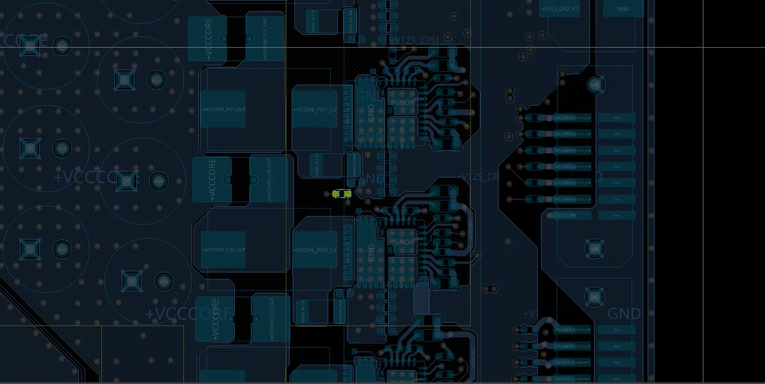
EU1D1
67 | LED Movement for better user experience | MOVE DS9T1 (M2_SSD_SATA_DEVSLP) LED to TOP |  | Kenneth |  |  | Closed | Closed | Closed | N/A | Closed | N/A
68 | Add one HDR for EC-PD I2C | Add J22201 (J47726-001) on SMB_USBC_DATA_EC and SMB_USBC_CLK_EC | 222 | Nick |  |  | Closed | Closed | Closed | Closed | Closed | Closed
69 | Change thermistor location to coorect location | Move RT8F1 near by DIMM slot Move RT9F1 near by VCORE MOSFET(EU1D1) | 222 | Nick |  |  | Closed | Closed | Closed | Closed | Closed | Closed
70 | Set FDO_STRAP_OVERRIDE_N jumper J8F3 to 2-3 by default, and make sure there's no Pull-down resistor connected to FDO_STRAP_OVERRIDE_N | Set FDO_STRAP_OVERRIDE_N jumper J8F3 to 2-3 by default, and make sure there's no Pull-down resistor connected to FDO_STRAP_OVERRIDE_N | 222 | Nick | V |  | Closed | Closed | Closed | Closed | Closed | Closed
71 | Optimiz I2C routing for supporting PacPro | 1. Move R6J47 & R6J60 close to U3W1 2. Move R6J44 & R6J58 close to U2U3 3. Move R6J42 & R6J56 close to U2U1 4. Move R6J40 & R6J53 close to U7W1 | 319 | Ivan/Ellen |  |  | Closed | Closed | Closed | Closed | Closed | N/A
72 | off-page symbol missed | add off-page on PWR_MON_I2C_SDA & SCL to page 323 | 319 | Ivan | V |  | Closed | Closed | N/A | N/A | N/A | N/A
73 | PPV Vsense mointor modify | New circuit for preventing boot block change CR9D3 pin C to SET_N on page 305 | 288 | Ivan |  |  | Closed | Closed | N/A | N/A | N/A | N/A
74 | Add one tri-pad for PCH VISA | Move R8H37 to merge one tri-pad with R7T81 for easy rework and smooth routing on PCH VISA | 60 | Kenneth |  |  | Closed | Closed | Closed | Closed | Closed | Closed
75 | Remove BIOS Recovery Jumper J7H3 and Connect the original circuit with SW8F1 | 1.Remove J7H3 in p.70 due to mechanical interference with TTK3 cable and move the original circuit from p.60 to p.181 to connect with SW8F1 2. The netnames are also modified from "xxx_JUMPER" to "xxx_DIPSW" (Please refer to S021 RVP schematic rev1p1_ww17p6 onwards) | 60, 70, 181 | Kenneth |  |  | Closed | Closed | Closed | Closed | Closed | N/A
76 | Change EC power rail soucre to avoid big ripple on +V3P3_EC_VCC1 | 1. Change R9T31 pin1 net from +V3P3_EC to +V3P3DSW. 2. Change R9T31 from 0 ohm 0603 to 1.2 ohm 0603 (A93551-189) 3. Change R8U12 from 1.2 ohm 0603 to 0 ohm 0603 (A93552-004) 4. Add one 1.2 ohm 0603 (A93551-189) between R8U12 and R8U15, and the new resistor's pin 1 is connected to +V3P3_EC while pin 2 is connected to +V3P3_EC_VCC1_R 5. Change R9U15 from 0 ohm 0603 to 1.2 ohm 0603 (A93551-189) | 255 | Nick |  |  | Closed | Closed | Closed | Closed | Closed | Closed
77 | Late power modification items after S-01x/S-02x boards separate independently | 1. +VBUS_USBC_DIRECT_CONN_BP power plane optimization 2. Power plane enlarge for +VCCCORE_PH1_OUT 3. Optimization to have enough keep out between noisy signals/power plane with sense |  | Ivan |  |  | Closed | Closed | N/A | N/A | N/A | N/A
78 | AUDIO JK為DIP type零件, 但Gerber的鋼板層(paste)有設計開孔, SMT印錫後造成零件孔塞錫, 導致DIP無法上件, | change J5A1 design symbol to the same IPN without PIP |  | ALL | V |  | Closed | Closed | Closed | Closed | Closed | N/A
79 | 背板位置: J6U1, J9P1, J6M1, J6L1, J1G2, J7L1, J3V1, J9V1, J8M1 料號: 10NH3-020207-11R 上件後固定腳超出PCB, 會突出正板, 影響正板印刷錫膏, | Change 2x7 pnp headers on back side to H28792-001 that doesn't have guide pins on both side. | 314~317 | Ivan/Ellen |  |  | Closed | Closed | Closed | Closed | Closed | Closed
80 | Change EC_SPI_CLK to 18 ohm to reduce ringback issue | Change R9U13 from 0 ohm to 18 ohm | 219 | Nick |  |  | Closed | Closed | Closed | Closed | Closed | Closed
81 | Remove redundant offpage symbols connected to TP_SMC_LID_N and near J6L1.9, J6L.10 on S011, S041, S051 | 1.Remove redundant offpage symbols connected to TP_SMC_LID_N 2. Check the offpage near J6L1.9, J6L.10 on S011, S041, S051 | 313, 317 | Kenneth | V |  | Closed | Closed | Closed | Closed | Closed | Closed
82 | Adjust off-page numbers for VCCGT_SENSE and VSSGT_SENSE for friendly reading and Hide the voltage of GND symbol | Adjust off-page numbers for VCCGT_SENSE and VSSGT_SENSE for friendly reading and Hide the voltage of GND symbol | 308 | Kenneth | V |  | Closed | Closed | Closed | Closed | Closed | Closed
83 | Requst by QnR for margining test optimization for VCCIO | change R3B30 to 11.5k/1%/0402, R3B40 to 14.7k/1%/0402, R3B36 to 5.6k/0402/1% | 269 | Ivan | V |  | N/A | N/A | N/A | N/A | N/A | N/A
84 | PI BOM update for VCCSA | change C3D16, C3P20, C4C6 to stuff | 253 | Ivan/Ellen | V |  | Closed | Closed | Closed | Closed | Closed | Closed
85 | Enhance PS_ON_B_3P3V driving ccapability | change R5H35 to 10k | 259 | Ivan/Ellen | V |  | Closed | Closed | Closed | Closed | Closed | Closed
86 | wrong note for address of U5V1 | The address setting is 1D, but note is 1E. It needs to change the note of address to 1D. | 322 | Ivan/Ellen | V |  | Closed | Closed | Closed | Closed | Closed | N/A
87 | Stuff I2C connections R1A55 and R1A57 for HDMI Redriver debugging | Stuff I2C connections R1A55 and R1A57 for HDMI Redriver debugging via J6J3 | 198 | Kenneth | V |  | N/A | Closed | Closed | N/A | N/A | Closed
88 | New PNP requirement | 1. Add net connections CPU_C10_GATE_N & DEBUG_TRACE_PNP to J9D1 2. Move V1P8A sense (VAL_V1P8A_CSP/N) to J3V1 3. Move VCCA_XTAL_0P85 and VCCPRIM_1P25 to J7L1(could be different header on other boards) 4. change unuseed R8F44.2 connection from TP_GPP_K_9_CORE_VID_1 to DEBUG_TRACE_PNP 5. Change R8F44 from 0 Ohm EMPTY to 1k 1%(A93548-023) RES 6. Change GPP_K_9_CORE_VID_1 offpage symbol from BI to INPUT | 63, 315,317 |  |  |  | Closed | Closed | Closed | Closed | Closed | Closed

89 | Cap Movement to avoid the interference with ILM KOZ | Move C4D1 and C4D2 leftwards by 0.5mm to avoid the interference with ILM KOZ |  | All |  |  | Closed | Closed | Closed | Closed | N/A | Closed
90 | To fix some schematic mistakes on DMI GEN5 PROBE circuit | 1. Change SOC_CLKREQ5_N_R to SOC_CLKREQ2_N_R 2. Change SOC_CLKREQ5_LS_EN to SOC_CLKREQ2_LS_EN 3. Change SOC_CLKREQ5_DMI_MIDBUS_PROBE_N to SOC_CLKREQ2_DMI_MIDBUS_PROBE_N | 33, 35 | Kenneth/Simon |  |  | N/A | Closed | N/A | N/A | N/A | N/A
91 | To fix some schematic mistakes by swapping the connections of Q22601 pin1 and pin6 | 1. Q22601.6 connection is changed from PWRBTN_MECC_OUT_N to PWRBTN_EC_R_OUT_N 2. Q22601.1 connection is changed from PWRBTN_EC_R_OUT_N to PWRBTN_MECC_OUT_N (You can use "Mirror by Vertical Axis" by Right-clicking on it in HDL) | 226 | Kenneth/Nick |  |  | Closed | Closed | N/A | Closed | N/A | N/A
92 | Add offpage symbols for CPU_FLASH_OVERRIDE_STRAP | Add offpage symbols for CPU_FLASH_OVERRIDE_STRAP | 26, 65 | Kenneth | V |  | Closed | Closed | Closed | Closed | Closed | Closed
93 | Unstuff R3301 to avoid stub on VISA signal | Unstuff R3301 (for SOC_CLKREQ2_DMI_MIDBUS_PROBE_N) to avoid stub effect on VISA signal | 33 | Kenneth | V |  | N/A | Closed | N/A | N/A | N/A | N/A
94 | Adjust off-page numbers for DMI Gen5 Probe circuit | Adjust off-page numbers for DMI Gen5 Probe circuit to make it easy to read (S061 can copy S021's csa file directly) | 35 | Kenneth | V |  | N/A | Closed | N/A | N/A | N/A | Closed
95 | Remove redundant offpage symbols in p.224 | Remove redundant offpage symbols for VAL_EC_JATG_TMS/TCK/TDO/TDI_R signals as they are connected in the same page p.224 only | 224 | Kenneth | V |  | Closed | Closed | Closed | Closed | Closed | Closed
96 | Need to stuff DP2.1 CMC TCM06UX-020-2P-T201 based on iPDG v1.0 | Need to stuff DP2.1 Common-mode Chokes TCM06UX-020-2P-T201 based on iPDG v1.0 for the DP Mainlink topology without repeaters | 106 | Kenneth |  |  | N/A | N/A | N/A | Open | Open | Open
97 | GPP_SD2_DSI_DE_TE_2_GENLOCK_REF, to update strap note | Updated in PCD-S pin-list v1.03 eSPI Disabled (previously called "EC-less Platform") EC Less platform if sampled high 0 = Enable eSPI (Default). 1 = Disable eSPI. | 25 | Simon | V |  | N/A | N/A | N/A | N/A | N/A | N/A
98 | GPP_SD12_SRCCLKREQ3_N, to update strap note | Flash Descriptor Recovery for NIST SP800-193 0 - Flash descriptor recovery disable (default) 1 - Flash descriptor recovery enable | 26 | Simon | V |  | N/A | N/A | N/A | N/A | N/A | N/A
99 | GPP_SD14_DDSP_HPD4_DISP_MISC4, to update strap note | Single-ended reference clock divider select 0 – Divider Bypass (functional) - default 1 – Divide by 4 (100MHz HVM mode) *This strap is qualified by DFXTESTMODE | 27 | Simon | V |  | N/A | N/A | N/A | N/A | N/A | N/A
100 | GPP_J_3_CNV_RGI_DT_A_UART0_TXD Change to PD as default config to enable integrated CNV according to SIV validation config? | S02x / S041 / S051 - to use Whale Peak S01x - to use Spider Peak S031 - to use GaP2 (discrete CNV) M.2 WiFi/BT module card can change this strap config according to types of module card. | 68 | Simon | V |  | N/A | N/A | N/A | N/A | N/A | N/A
101 | Change the CAD Note and Design Note to align with the REFDES | Change the CAD Note and Design Note to align with the REFDES and revise the statement to make it smoother such as "SINCE THERE MIGHT BE SOME VARIATION IN DIFFERENT PCB BOARDS, C7P5 & C7P6 MIGHT HAVE DIFFERENT CAPACITANCES BASED ON THE PRACTICAL TEST RESULT." | 43, 53 | Kenneth | V |  | Closed | Closed | Closed | Closed | Closed | Closed
102 | Change unused DIP Switch SW9B1.3 to OFF by default | Change unused DIP Switch SW9B1.3 to OFF by default | 162 | Kenneth | V |  | Closed | Closed | N/A | N/A | Closed | N/A
103 | PD BOM changes based on the FDIM test result on S021 EVERB | 1. Unstuff C2C6, C2D1, C2D3 for VCCCORE 2. Unstuff C4C6 for VCCSA | 253 | Ivan/Ellen | V |  | Closed | Closed | Closed | Closed | N/A | Closed
104 | change VCCGT DC load line to 0mohm(keep 5mohm for ACLL) | change the IMVP VR controller from E2 to E3(N52224-007). (except s041 & s051) | 273 | Ivan/Ellen | V |  | Closed | Closed | Closed | Closed | N/A | Closed
105 | Fix the schematic mistake on M.2 SATA LED Control circuit | Change the net name connected to Q9T1.1 from SATA_DIRECT_DEVSLP_LED to M2_SSD_SATA_DEVSLP_LED | 169 | Kenneth/Simon |  |  | Closed | Closed | N/A | N/A | Closed | N/A
106 | Change note from 4-PAD to 3-PAD, and recompose a new tripad | Change note from 4-PAD to 3-PAD, Cancel the tripad composed of R6A12, R6A8 and R6A9 and Recompose a new tripad composed of R6A8 and R6A9 | 291 | Kenneth/Ivan |  |  | Closed | Closed | Closed | Closed | Closed | N/A
107 | Remove 3-PAD note near R24506 and cancel the tripad composed of R24506 and R24507 | Remove 3-PAD note near R24506 and cancel the tripad composed of R24506 and R24507 S031's corresponding location : R3F27, R3F26 | 270 | Kenneth/Ivan |  |  | Closed | Closed | Closed | Closed | Closed | N/A
108 | Update the strap note for GPP_SD15_DDSP_HPD1_DISP_MISC1 | Flash Descriptor Recovery for NIST SP800-193 0 - Flash descriptor recovery internal source (default) 1 - Flash descriptor recovery external source | 27 | Simon | V
109 | Adjust Feedback resisters value for QnR voltage override application on S011 only for QnR | change R3B40 to 14.7k1%/0402, R3B30 to 11.5k/1%/0402, R3B36 to 5.6k/0402/1% | 269 | Ivan | V |  | Closed | N/A | N/A | N/A | N/A | N/A
110 | change VCCGT DCLL to 0ohm | change IMVP VR to N52224-007 RTQ3700HHN-T01B-AASR150E3(new symbol is creating) | 273 | Ivan/Ellen | V
111 | Place DS9T1 near J8J3 as S021 has done | Place DS9T1 near J8J3 as S021 has done to be easy for documentation in the future |  | Kenneth/Simon |  |  | Closed | Closed | N/A | N/A | Closed | N/A
112 | feedback resisters value adjustment expect S011 for supporting CVE voltage margining test | 1. For 0P85V, change R7G48(empty) & R7G15 to 100ohm/1%/0402 and R7G44 to 20.5k/0402/1% 2. For 1P25, chnage R8D53 to 100ohm/1%/0402 and R8D59 to 9.1k/0402/1% 3. For VNNAON, change R3B16 to 100ohm/1%/0402 and R3B21 to 24.9k/0402/1% 4. For VCCIO, change R3B36 to 100ohm/1%/0402 and R3B30 to 9.1k/1%/0402(except S051) to 8.06k/1%/0402(S051 only) and R3B40 to 16k/1%/0402 5. For VDD2, change R3F17 to 100ohm/1%/0402 and R3F19 to 5.76k/1%/0402(except S051) R3F19 to 9.1k/0402/1% for S051 only 6. For VCC1P8, change R5D3 to 100ohm/1%/0402 and R5D5 to 4.87k/1%/0402(except s051) change R5D7 to 9.1k and R5D5 to 4.87k for s051 only 7. For V3P3DSW_PCH_VAL, change R7G14 to 2.1k/0402/1% and R7G13 to 100ohm/0402/1%(empty on S021) 8. For V3P3A_PCH_VAL, For V3P3DSW_PCH_VAL, change R6F35 to 2.1k/0402/1% and R6F34 to 100ohm/0402/1%(empty on S021) 9. For V1P8A_VAL_PCH, change R6F33 to 4.87k/0402/1% and R6F32 to 100/0402/1%(empty on S021) 10. change R5E16(empty on S021) & R9U45 to 9.1k/0402/1% |  | Ivan/Ellen | V |  | N/A | Closed | Closed | Closed | Closed | Closed
113 | Shorten the net name length to prevent the CAD review tool from malfunctioning | 1. Change the net name GPP_S_7_SNDW3_DATA3_SNDW2_DATA2_SNDW1_DATA0_A_DMIC_DATA_1_I2S2_RXD to GPP_S_7_SNDW3_D3_SNDW2_D2_SNDW1_D0_A_DMIC_D1_I2S2_RXD 2. Change the net name GPP_S_7_SNDW3_DATA3_SNDW2_DATA2_SNDW1_DATA0_A_DMIC_DATA_1_I2S2_RXD_R to GPP_S_7_SNDW3_D3_SNDW2_D2_SNDW1_D0_A_DMIC_D1_I2S2_RXD_R Total 5 traces to be modified | 52, 184, 188 | Kenneth/Nate |  |  | Closed | Closed | Closed | Closed | Closed | Closed
114 | Remove duplicate reserved PU and series resistors | Remove R7G63, R7G68 Remove R7G60, R7G61, R7G66 | 213 | Kenneth/Nate |  |  | Closed | Closed | Closed | N/A | Closed | Closed
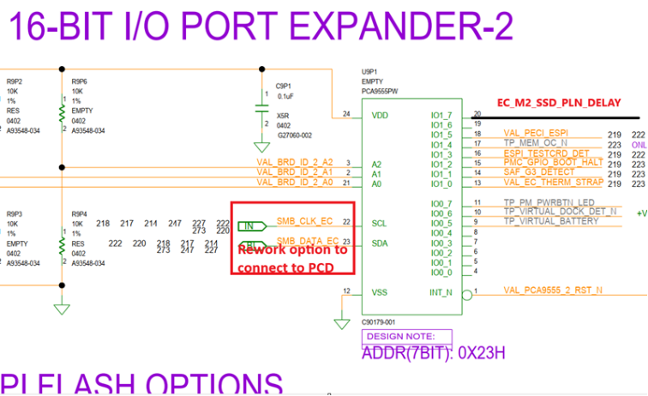
115 | Replace the original strap pages with the versions from S021 WW20P6 onwards | Replace the original strap pages with the versions from S021 WW20P6 onwards to make the strap description and BOM config up to date (SW6M1 SKU dependancy, need to check) J6G5 : S-03 need to set to be 1-2 | 25, 26, 27, 67, 68, 69 | Kenneth/YE | V |  | Closed | Closed | Closed | Closed | Closed | Closed
116 | Stuff the series resistors on DEBUG PNP HDR J9D1 | Stuff R31502, R31501, R31504 | 315 | Ivan/Ellen | V |  | Closed | N/A | Closed | Closed | Closed | Closed
117 | Desktop RVP shall enable Power Loss Notification (PLN) for EC/EC-less platform (HSD: 15017636381) | Add one netname "EC_LESS_M2_SSD_PLN_DELAY" connected to pin-20 (IO1_7) and one resistor for rework option connected to U5C4 pin-2 (net-name M2_CPU_SSD1_PLN_N_BUF), and the other resistor for rework option connected to U8T1 pin-2 (net-name M2_PCH_SSD3_PLN_N_BUF), See example at rightside | 219, 76, 168 | Nick/YE |  |  | N/A | N/A | N/A | Closed | N/A | N/A
118 | S031 / S041 PCD-S PCIe x8 CEM routing length ~137mm | S031 have 2 x8 PCIe5 CEM connector, max routing length ~ 137mm as per PDG. S041 x8 CEM2 : max length <146mm PCIe5 riser card will be used at the 2nd x8 CEM connector |  | Simon |  |  | N/A | N/A | Closed | Closed | N/A | N/A
119 | Modify note | Modify the note from "8.5MM HEIGHT CONNECTOR" to "4.2MM HEIGHT CONNECTOR" | 180 | Nate | V |  | Closed | Closed | Closed | N/A | Closed | N/A
120 | Make sure the Board/BOM/Display/Fab IDs and the notes are aligned with the corresponding SKU | Make sure the Board/BOM/Display/Fab IDs and the note are aligned with the corresponding SKU based on the Subsheet NVL-S Board ID | 218 | Kenneth | V |  | Closed | Closed | Closed | Closed | Closed | Closed
121 | Change the Design note of GPP_J_7_BOOTHALT_N for low-active | Change the Design note of GPP_J_7_BOOTHALT_N as follows: HIGH : NORMAL LOW : BOOTHALT | 68 | Kenneth | V |  | Closed | Closed | Closed | Closed | Closed | Closed
122 | Change the note of J6J2 from "*FOR PPV" to "*For CPV" | Change the note of J6J2 from "FOR PPV" to "For CPV" | 244 | Kenneth | V |  | Closed | Closed | N/A | Closed | Closed | Closed
123 | Remove the note "Unstuff Isolation IC" near U8U1 | Remove the note "Unstuff Isolation IC" near U8U1 | 211 | Kenneth | V |  | Closed | Closed | Closed | Closed | Closed | Closed
124 | Replace "F6G3" and "R6G12" with FA and RA in the note near F8J1 | Replace "F6G3" and "R6G12" with FA and RA in the note near F8J1 as these two RefDes doesn't exist in this page anymore. Remember to add the mark "FA" for F8J1 and "RA" for R8J1 as well | 175 | Kenneth | V |  | Closed | Closed | Closed | Closed | Closed | N/A
125 | Add MECC_PDB_CTRL on MECC | Add MECC_PDB_CTRL on J9G1 pin H3 and add one 0 ohm to connect to EC_PDB_CTRL. 0 ohm is empty | 226 | Nick |  |  | Closed | Closed | N/A | Closed | N/A | N/A
126 | Add MECC_SPI_IO2 on MECC Add MEEC_SPI_IO3 on MECC | Add MECC_SPI_IO2 on J9G1 pin G14 Add MECC_SPI_IO3 on J9G1 pin H15 | 227 | Nick |  |  | Closed | Closed | N/A | Closed | N/A | N/A
127 | Add 3-PAD for EC_SPI_WP and MECC_SPI_IO2 Add 3-PAD for EC_SPI_HOLD and MECC_SPI_IO3 | Add one 0 ohm to be 3-pad with R9U48, and pin 1 connect to MECC_SPI_IO2 Add one 0 ohm to be 3-pad with R9G9, and pin 1 connect to MECC_SPI_IO3 | 219 | Nick |  |  | Closed | Closed | N/A | Closed | N/A | N/A
128 | Connect PECI to MECC HDR | Change TP_PECI_MECC to PECI_MECC in page 306, add one more branch and 0 ohm reserved as EMPTY on H_PECI and connect to PECI_MECC | 226/306 | Nick |  |  | Closed | Closed | N/A | Closed | N/A | N/A
129 | Change "1", "0" to "HIGH", "LOW" in GPP_J_1 Strap note | Change "1", "0" to "HIGH", "LOW" in GPP_J_1 Strap note for consistent strap description consistence | 68 | Kenneth | V |  | Closed | Closed | Closed | Closed | Closed | Closed
130 | Add PMC_I2C debug HDR | Add 1X4 HDR (H48488-001) J22201 for low signals. Pin 1: PD_PMC_SML_SCL Pin 2: PD_PMC_SML_SDA Pin 3 : PD_PMC_SML_INT_N Pin 4 : GND | 122 | Nick |  |  | N/A | N/A | N/A | Closed | N/A | N/A
131 | add test point (NA_TPC25) on RGI / BRI pins (S041 / S051) | M.2 connector (J8C1) to add 4 test points for RSP and DT signals, please refer to blow schematic and layout impages, all the 4 TPs should be placed at the bottom layer and outside KOZ, Add BRI_RSP TP at page63 Add RGI_RSP TP at page63 Add BRI_DT TP at page180 Add RGI_DT TP at page180 | 180, 63 | Nate |  |  | N/A | N/A | N/A | Closed | Closed | N/A
132 | Update diodes redriver EQ/FG/SW setting | S011/S012/S021/S022: PI3EQX1014ZTFEX: TX (EQ/FG) = RF，RX (EQ/FG) = RR Unstuff R5A44 , R5L8 Stuff R5L5, R5L7 with 68.1K (G21796-187) PI3EQX1002E2ZREX: P5 TX (EQ/FG/SW)=RRF, RX(EQ/FG/SW)= RFF Stuff R4T5 with 68.1K (G21796-187) PI3EQX1002E2ZREX: P6 TX (EQ/FG/SW)=RRF, RX(EQ/FG/SW)= R0F Stuff R4U7 with 68.1K (G21796-187) Stuff R5U2 with 1K (A93548-023) | 147,150 | Nick | V |  | Closed | Closed | Closed | N/A | N/A | N/A
133 | Update FAN BOM for different PWM controll | All sku unstuff R1H31, R24106, R1H15, stuff R24108, R1H26 unstuff R24113 (S05 only) stuff R24118 (S05 only) | 241 | Nick | V |  | Closed | Closed | Closed | Closed | Closed | Closed
134 | Add flexiblltiy on EC EEPROM address setting | Add pull up/pull down ressitors on U9G2 | 220 | Nick |  |  | N/A | N/A | N/A | Closed | N/A | N/A
135 | Swtichable on BOM ID | Connect VAL_BOM_ID2 to empty DIP switch channel for adjusting high and low | 218 | Nick |  |  | N/A | N/A | N/A | Closed | N/A | N/A
136 | Update level shift for Vby1 to make it switchable | 1. Delete R32505 and R32053 and EDP1 signals in this page 2. Delete R32526 and R32527 3. Change another level shiter circuit to allow switching between 3V and 5V at Vby1 side 4. Add HDR to switch 3V and 5V at Vby1 side | 325 | Nick |  |  | N/A | N/A | N/A | Closed | N/A | N/A
137 | add one more path on existing delay circuit for RSMRST_PWRGD_N and EC_RSMRST_N | 1. Add one more path with 22k ohm (empty) on U9P2 pin2 and connect to RSMRST_PWRGD_N. 2. Add one more path with 0 ohm (empty) on U1B1 pin4 3. Stuff U9P2 and U9D1 | 289 | Nick |  |  | N/A | N/A | N/A | Closed | N/A | N/A
138 | Reserve PCH SMBUS for EC-less | Connect SMB_DATA_EC/SMB_CLK_EC to SMB_CLK_RESUME/SMB_DATA_RESUME via 0 ohm(empty). The net name close to EC side can be called EC_SMB_CLK_RESUME /EC_SMB_DATA_RESUME., similar to EC_LESS_I2C5_SDA/SCL | 222, 198 | Nick |  |  | N/A | N/A | N/A | Closed | N/A | N/A
139 | Reserve PLN circuit for SIO | Add one more path to M2_PCH_SSD1/3/4_PLN_N_BUF with 0ohm, and connect to PWRBTN_EC_OUT_N | 76, 168, 170 | Nick |  |  | N/A | N/A | N/A | Closed | N/A | N/A
140 | Stuff MIPI60 JTAG CLK options for CRB and change the note to a simple one "3PAD" | Stuff MIPI60 JTAG CLK options for CRB as follows and change the note to a simple one "3PAD" 1. STUFF R2B31, R2B34 2. UNSTUFF R2B32, R2B33 | 230 | Kenneth | V |  | Closed | Closed | Closed | Closed | Closed | Closed
141 | Remove the original Design note about the DDI2 rename and add new four ones to declare the Port mapping in VBT | Remove the original Design note about the DDI2 rename and add new four ones to declare the Port mapping in VBT as follows: 1. Add a Design Note : TCP0 IS MAPPED TO TC1 IN VBT 2. Add a Design Note : TCP1 IS MAPPED TO TC2 IN VBT 3. Add a Design Note : DDI3 IS MAPPED TO TC3 IN VBT 4. Add a Design Note : DDI2 IS MAPPED TO TC4 IN VBT | 16 | Kenneth | V |  | Closed | Closed | Closed | Closed | Closed | Closed
142 | Change J22201 HDR to 1X4 HDR(H48488-001), provide PD I2c for EC/EC-less use case. | 1. Change HDR J22201 HDR to 1X4 HDR(H48488-001). 2. Move this HDR to page 119 3. pinout change to Pin 1: PD_EC_I2C_CLK Pin 2: PD_EC_I2C_DATA Pin 3 : PD_EC_I2C_1P8_INT_N Pin 4 : GND | 119,222 | Nick |  |  | N/A | N/A | N/A | Closed | N/A | N/A
143 | FRU EEPROM Address is 0x56h, not 0x50 | Change the design note to be 0x56h | 249 | YE | V |  | Closed | Closed | Closed | Closed | Closed | Closed
144 | Add rework instruction to enabble MCIO AOB on page173 | Update information for unstuffed/stuffed parts and GPIO pins assigned | 173 | Simon | V |  | Closed | N/A | Closed | N/A | Closed | N/A
145 | To update MECC pin H16( pin no. 158) to TP_ESPI_CS1_AIC_N |  |  |  |  |  |  |  |  | N/A
146 | PCD-S PCIe PXPA A4~A7 Tx/Rx pair need to implement voiding under SoC pads | voiding to be implemented on L2 under SOC ballouts for PCD PXPA A4~A7 |  | Simon |  |  | Open | Open | Closed | Closed | Open | Closed
147 | The 2nd x8 PCIe CEM connector, J70 pin B18 need to be connected to GND | S031 and S041, pin B18 of the 2nd x8 CEM (J70) needs to be connected to GND | 93 | Simon |  |  | N/A | N/A | Closed | Closed | N/A | N/A
148 | correct TMON connection to SPS from NTC sensing | copy from S061 page 273~281 directly | 273~281 | Ivan |  |  | Closed | Closed | N/A | N/A | N/A | Closed
149 | change PAC4(U1V1) add to 0x10 | change R1V12 to 0ohm | 321 | Ivan | V |  | Closed | N/A | N/A | N/A | N/A | N/A
150 | Change EC UART Jumper default settings | Change J9F2, J8J1 settings to 1-2 for ACPI/BIOS log by default | 204 | Kenneth/Nick | V |  | Closed | Closed | Closed | Closed | Closed | Closed
151 | correct the schematic name | correct the schematic name from "xTM.2x" to"xM.2x" | 169 | Kenneth/Simon | V |  | Closed | Closed | Closed | Closed | Closed | N/A
152 | S051 USB redriver EQ/FG/SW setting | Change the redriver EQ/FG/SW settign per ERB test result PI3EQX1014ZTFE: P3 TX :EQA / FGA= FF RX :EQB / FGB= R1 Unstuff R5A35, R5A44, R5A27 Stuff R5L5 with 68.1K (G21796-187) Stuff R5L4 with 1K (A93548-023) PI3EQX1014ZTFE: P4 TX :EQC / FGC= FF RX :EQD / FGD= R1 Unstuff R5L8, R5L6 Stuff R5A46 with 1K (A93548-023) PI3EQX1002E2ZREX: P5 TX (EQ/FG/SW)=FRF, RX(EQ/FG/SW)= RFF Change note only PI3EQX1002E2ZREX: P6 TX (EQ/FG/SW)=FRF, RX(EQ/FG/SW)= RFF Change note only | 147, 150 | Nick | V |  | N/A | N/A | N/A | N/A | Closed | N/A
152 | S061 USB redriver EQ/FG/SW setting | Change the redriver EQ/FG/SW settign per ERB test result PI3EQX1014ZTFE: P5 TX :EQA / FGA= FF RX :EQB / FGB= R1 Unstuff R15057 Stuff R15058 with 68.1K (G21796-187) PI3EQX1014ZTFE: P6 TX :EQC / FGC= FF RX :EQD / FGD= R1 Unstuff R15061 Stuff R15060 with 68.1K (G21796-187) | 150 | Nick | V |  | N/A | N/A | N/A | N/A | N/A | Closed
153 | correct the schematic name | correct the schematic name from "STOTRAGEx" to"STORAGEx" | 171 | Kenneth/Simon | V |  | Closed | Closed | Closed | N/A | N/A | N/A
154 | To fix glitch (~7ms) issue on PCH_PWROK_V1P8_CPU | In NVL-S RVP, +V1P8A ramp ealier than +V3P3A, but PCH_PWROK_V1P8_CPU use +V3P3A to power the OD buffer with +V1P8A pull up. So needs to change the buffer power to be +V3P3DSW from +V3P3A (Just Change U9J1.5 to +V3P3DSW) | 30 | Kenneth/Ivan |  |  | Closed | Closed | Closed | Closed | Open | Open
154 | SSD power enable pin pull up power rail is wrong on SSD2/SSD3/SSD4. But now pull up to +V3P3DSW | 1. M2_PCH_SSD2_PWREN, M2_PCH_SSD3_PWREN, M2_PCH_SSD4_PWREN pull up change to be +V3P3S0IX and stuff back the pull up on p296,p297, Unstuff R8F22, R8F7, R8F8 2. for SSD1 that support NIST-193, please copy S-041 "V3P3S0IX_NIST_CPU_SSD1_PWREN" circuit | 296, 297, 61 | Nick/Ellen |  |  | N/A | N/A | Closed | Closed | N/A | N/A
155 | Adjust VCCIO's OCP setting | Change R773 to 36.5k to modify the OCP setting from to 14A to 16A | 269 | Ellen | V |  | N/A | N/A | Closed | Closed | N/A | N/A
156 | Power on sequence adjustment for non-DSx | add another power on signal V3P3DSW_PWRGD for V0P85A_VNNAON_EN for non-DSx. onriginal information got is from SLP_SUS_N#, but it seems doesn't work. | 285 | Ivan/Ellen |  |  | Closed | Closed | Closed | Closed | Open | Open
157 | Change V5DSW VR from RTQ2820A to RTQ2820B | EU23603 change form N48987-001 to N48987-002 | 260 | Ellen | V |  | N/A | N/A | Closed | Closed | N/A | N/A
158 | Coreect MIC_MUTE pull-up voltage | change R7H14 pull-up to +V3P3A from +V1P8A. | 196 | Nate |  |  | Closed | Closed | Closed | Closed | Open | Open
159 | DFM from factory |  |  | all |  |  | Closed | Closed | Closed | Closed | Open | Open
160 | power meter address | Set R1V12 to 0 to avoid conflict with ANX7498. | 321 | Ivan | V |  | Closed | N/A | N/A | N/A | N/A | N/A
161 | To Disable JTAG ODT and Enable Onboard Terminations | S01x/S02x/S03x - Stuff R2B48, R3B52, R2M15, R3M15, R3M16 S051/S061 - unstuff R2B38 | 230 | all | V |  | Closed | Closed | Closed | Closed | Closed | Closed
162 | JBR TCPC mode change | S051- change R129220, R121101 to 2.2k/0402/5%(A93549-017) S061- change R129220, R121101 to 2.2k/0201/5%(H30143-027) | 121, 129 |  | V |  | N/A | N/A | N/A | N/A | Closed | Closed
163 | SW3V1 dip-switch setting | correct 1-8 to OFF from OF | 237 |  | V |  | Closed | Closed | Closed | Closed | Closed | Closed
164 | Fab2 ID BOM Change for S01x/S02x/S031 Fab2 | Change Fab ID BOM to 0x01 for Fab2 and ask BIOS to add it into BIOS BoardID Matrix | 218 | Kenneth/Ivan/Nick | V |  | Closed | S021 200 done S022 200 ? | Closed | N/A | N/A | N/A
165 | To continue from SN.161, add more BOM change for ODT | Stuff R2B45, R3M24 Change R3B68, R2N7 from 10k to 100 Ohms (A93548-043) | 229 |  | V |  | Closed | S022 102 done S021 200 done S022 200 ? | Closed | Closed | Closed | Closed
166 | Correct design note from 15ohm to 22ohm for GSPI2 MISO | Design note for to be corrected as below: Place 22OHM CLOSE to device for GSPI MISO | 62 |  | V |  | 101 done S012 102 done | Closed | Closed | Closed | Closed | N/A
167 | Change TCSS DIP SWITCH Setting to JBR by Default | Change TCSS DIP SWITCH SW3L1, SW3B1 to JBR (1-ON, 2-OFF, 3-OFF, 4-OFF) | 122, 124 | Kenneth | V |  | 101 done S012 102 done | Closed | Closed | Closed | N/A | N/A
168 | DIR ESPI RCLK/IO[0:3] RES value Change based on iPDG v1.3 | R3201, R3202, R3203, R3204, R6T5 change from 13ohm (J54980-001) to 18ohm (C48657-003) | 32 | Nick | V |  | 101 done S012 102 done | 101 done | Closed | Closed | Closed | Closed
169 | SPI RES value Change based on iPDG v1.3 | R7G5, R7G3, R7G2, R7F90, R7G10, R7G32, R7U4, R7T108, R7U6, R7U22 change from 27ohm (A93549-004) to 24ohm (A93549-072)----Stuff R7G7, R7G1, R7G9, R7U3, R7U5 change from 27ohm (A93549-004) to 24ohm (A93549-072)----Unstuff (only S011 needs to stuff all) | 212 | Nick | V |  | 101 done S012 102 done | 101 done | Closed | N/A | Closed | Closed
170 | chnage BOM ID BIT0~1 to 11 for disable TMON by default wihout rework | Stuff R7C22, R8C23 and unstuff R9C14, R9C17 for FAB1 BOM version -101 | 218 | Ivan | V |  | Closed | Closed | N/A | N/A | N/A | N/A
171 | Genlock impedance matching and clock trace length matching | R2M23 stuff 5.6ohm, R2M25 unstuff 5.6ohm, clock length matching in 1" | 97 | Nate |  |  | Closed | N/A | N/A | Closed | N/A | N/A
172 | Direct SPI RES value Change based on iPDG v1.3 | Direct eSPI IO[0:3] and RCLK resistor value change from 13ohm to 18ohm | 32 | Nate |  |  | Closed | Closed | Closed | Closed | Closed | Closed

NVL-S Board ID
Board ID | 6 bits [5 : 0] | See table below
BOM ID | 3 bits [8:6] | 000-BOM1 001-BOM2 See table below

FAB ID | 2 bits [10 : 9] | 00 - FAB1
 |  | 01 - FAB2....
SPD_PRSNT | 1bit[11] | 0- BIOS hard codes SPD 1- User/factory programs SPD
Display ID | 4 bits [15 : 12] | See table below |  |  |  |  |  |  |  | ./L0]=
 |  |  |  |  |  |  |  |  |  | 9I

Sl No | RVP Board SKU | Board Varient | Board Name/ID string | Board ID (hex) | BOM ID (binary) | Fab ID (binary) | Display ID (Default) (binary) | Display ID (Reworked) (binary) | Remarks

1 | S 021 | 1a | UDIMM 1DPC ERB (N-1 Si) | 0X20 | 000 | 00 | 1001 | 1000 | N-1 Si: ARL-S / MTL-PCH-S (default)1001: DDI3: DP, DDI4: HDMI (rework)1000: DDI3: eDP, DDI4: HDMI
2 |  | 1b | UDIMM 1DPC CRB w/o PnP HDR | 0X21 | 000 | 00 | 1001 | 1000 | (default)1001: DDI3: DP, DDI4: HDMI (rework)1000: DDI3: eDP, DDI4: HDMI
3 | S 022 | 1c | UDIMM 1DPC CPV |  | 110 | 00 | 1001 | 1000 | (default)1001: DDI3: DP, DDI4: HDMI (rework)1000: DDI3: eDP, DDI4: HDMI
4 | S 011 | 1d | UDIMM 1DPC EV w/ PnP HDR (PL1=PL2) | 0X22 | 000 | 00 | 0101 | 0100 | (default)0101: DDI3: DP, DDI4: DP (rework)0100: DDI3: eDP, DDI4: DP
5 | S 012 | 1e | UDIMM 1DPC PPV (PL1=PL2) |  | 101 | 00 | 0101 | 0100 | (default)0101: DDI3: DP, DDI4: DP (rework)0100: DDI3: eDP, DDI4: DP
6 | S 031 | 1a | UDIMM 2DPC EVCRB | 0X23 | 000 | 00 | 0110 | N/A | (default)0110: DDI3: HDMI, DDI4: DP
7 | S 041 | 1a | SODIMM 1DPC EVCRB | 0X24 | 000 | 00 | 0100 | 0101 | (default)0100: DDI3: eDP, DDI4: DP (rework)0101: DDI3: DP, DDI4: DP
8 | S 051 | 1a | UDIMM 1DPC OC EVCRB | 0X25 | 000 | 00 | 1001 | N/A | (default)1001: DDI3: DP, DDI4: HDMI
9 | S 061 | 1a | HSIO UDIMM 1DPC EVCRB | 0X26 | 000 | 00 | 1001 | N/A | (default)1001: DDI3: DP, DDI4: HDMI

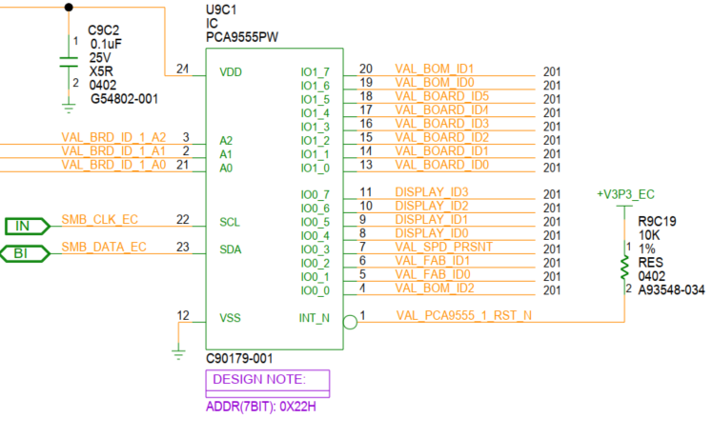
Ball Name | Port Name |  | EC I/O EXP | Display
DDI3 | DDIA/DDI3 (DDIA/TC3) | Display ID [1:0] | IO0_[5:4] (DDIA/DDI3)
 |  |  | 00 | eDP
 |  |  | 01 | DP
 |  |  | 10 | HDMI
Ball Name | Port Name |  | 11 | Reserved
DDI2 | DDI4 (TC4) | Display ID [3:2] | IO0_[7:6] (DDI-2)
 |  |  | 00 | eDP
 |  |  | 01 | DP
 |  |  | 10 | HDMI
 |  |  | 11 | Reserved

